Sheet1
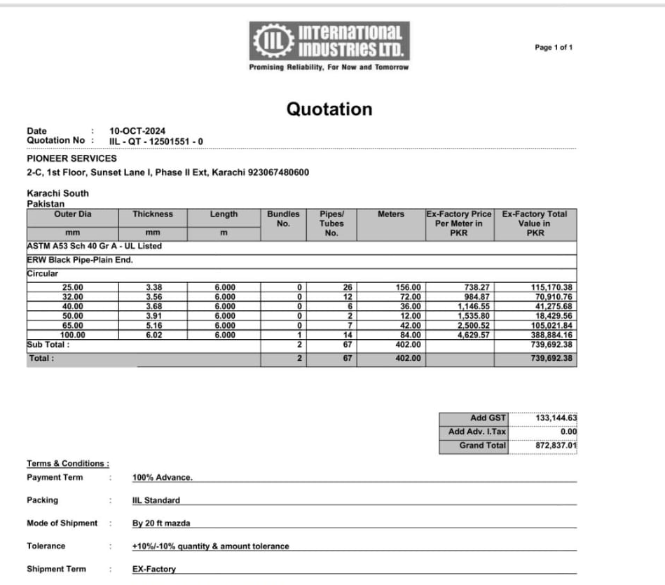

PIONEER SERVICES

M/S International Industries Limited |  |  |  |  |  | 10-Oct-24

PO # 189

Att: Mr. Shahrukh Mehdi

PURCHASE ORDER

Supply of ERW Black Pipe Plain End for the project (J Outlet Lucky One Mall)
S No. | D e s c r i p t i o n | Qty | Unit | Mtr | Rate | Amount
1 | ERW Black pipe Plain End 25mm | 26 | LEN | 156 | 738.27 | 115,170.12 | 738
2 | ERW Black pipe Plain End 32mm | 12 | LEN | 72 | 984.87 | 70,910.64 | 985
3 | ERW Black pipe Plain End 40mm | 6 | LEN | 36 | 1,146.55 | 41,275.80 | 1,147
4 | ERW Black pipe Plain End 50mm | 2 | LEN | 12 | 1,535.80 | 18,429.60 | 1,536
5 | ERW Black pipe Plain End 65mm | 7 | LEN | 42 | 2,500.52 | 105,021.84 | 2,501
6 | ERW Black pipe Plain End 100mm | 14 | LEN | 84 | 4,629.57 | 388,883.88 | 4,630
 |  | Total |  |  |  | 739,692
GST 18% |  |  |  |  |  | 133,145
Total amount |  |  |  |  |  | 872,837

for Pioneer Services

